PIVOT TABLE
Row Labels | Sum of Sales | Row Labels | Sum of Sales | Row Labels | Sum of Sales | Row Labels | Sum of Sales
Consumer | 1161401.345 | Accessories | 167380.318 | Furniture | 741999.7953 | 2014 | 484247
Corporate | 706146.3668 | Appliances | 107532.161 | Office Supplies | 719047.032 | 2015 | 470533
Home Office | 429653.1485 | Art | 27118.792 | Technology | 836154.033 | 2016 | 609206
Grand Total | 2297200.8603 | Binders | 203412.733 | Grand Total | 2297200.8603 | 2017 | 733215
 |  | Bookcases | 114879.9963 |  |  | Grand Total | 2297201
 |  | Chairs | 328449.103
 |  | Copiers | 149528.03
 |  | Envelopes | 16476.402
 |  | Fasteners | 3024.28
 |  | Furnishings | 91705.164
 |  | Labels | 12486.312
 |  | Machines | 189238.631
 |  | Paper | 78479.206
 |  | Phones | 330007.054
 |  | Storage | 223843.608
 |  | Supplies | 46673.538
 |  | Tables | 206965.532
 |  | Grand Total | 2297200.8603

DASHBOARD
SUPERSTORE SALES DASHBOARD

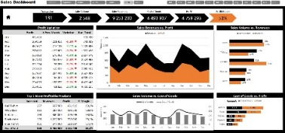
ID
ITEM PURCHASED
QUANTTITY PURCHASED
CUSTOMER NAME
US-2015-129007 | Ken Dana | Flat Face Poster Frame | 7
HIGHEST SALE
N 22,638
Sales over time
 | Total
2014 | 484247
2015 | 470533
2016 | 609206
2017 | 733215

LOWEST SALE
N0.44

NUMBER OF ORDERS
9995

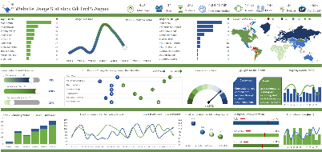
TOTAL SALES FOR TECH
N 836,154

Sales by category
 | Total
Furniture | 741999.7953
Office Supplies | 719047.032
Technology | 836154.033
Sales by segment
 | Total
Consumer | 1161401.345
Corporate | 706146.3668
Home Office | 429653.1485
Sales by sub-category
 | Total
Accessories | 167380.318
Appliances | 107532.161
Art | 27118.792
Binders | 203412.733
Bookcases | 114879.9963
Chairs | 328449.103
Copiers | 149528.03
Envelopes | 16476.402
Fasteners | 3024.28
Furnishings | 91705.164
Labels | 12486.312
Machines | 189238.631
Paper | 78479.206
Phones | 330007.054
Storage | 223843.608
Supplies | 46673.538
Tables | 206965.532

